Figure 5
Figure 5. Record Daily High and Low Temperatures in the United States, 1950-2009
 | Record lows | Record highs
1950s | -47.93% | 52.07%
1960s | -56.45% | 43.55%
1970s | -56.08% | 43.92%
1980s | -46.83% | 53.17%
1990s | -42.45% | 57.55%
2000s | -32.84% | 67.16%

Original Data
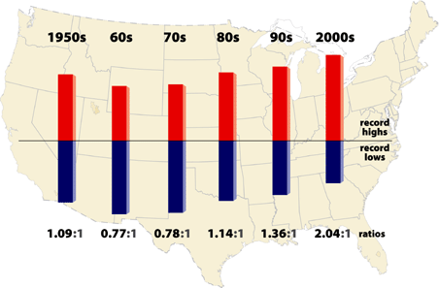
ORIGINAL DATA |  |  |  |  | EPA CALCULATIONS
 | Counts |  | Ratio |  |  | Percentage
Decade | High | Low | High | Low | Check ratio | High % | Low % | Negative low %
1950s | 1,988,166 | 1,830,286 | 1.09 | 1 | 1.086259743 | 52.07% | 47.93% | -47.93%
1960s | 344,659 | 446,726 | 0.77 | 1 | 0.77152214109 | 43.55% | 56.45% | -56.45%
1970s | 198,058 | 252,929 | 0.78 | 1 | 0.78305769603 | 43.92% | 56.08% | -56.08%
1980s | 178,919 | 157,581 | 1.14 | 1 | 1.1354097258 | 53.17% | 46.83% | -46.83%
1990s | 120,272 | 88,713 | 1.36 | 1 | 1.3557426758 | 57.55% | 42.45% | -42.45%
2000s (a) | 291,237 | 142,420 | 2.04 | 1 | 2.0449164443 | 67.16% | 32.84% | -32.84%
2000s (b) | 60,440 | 32,519 | 1.86 | 1 | 1.8586057382 | 65.02% | 34.98% | -34.98%

(a) is based on a larger set of stations that were analyzed through September 2009 and shown in the map below.
(b) is based on a smaller set of stations that were analyzed through the end of 2006 and published in Meehl et al. (2009).

